Sheet1
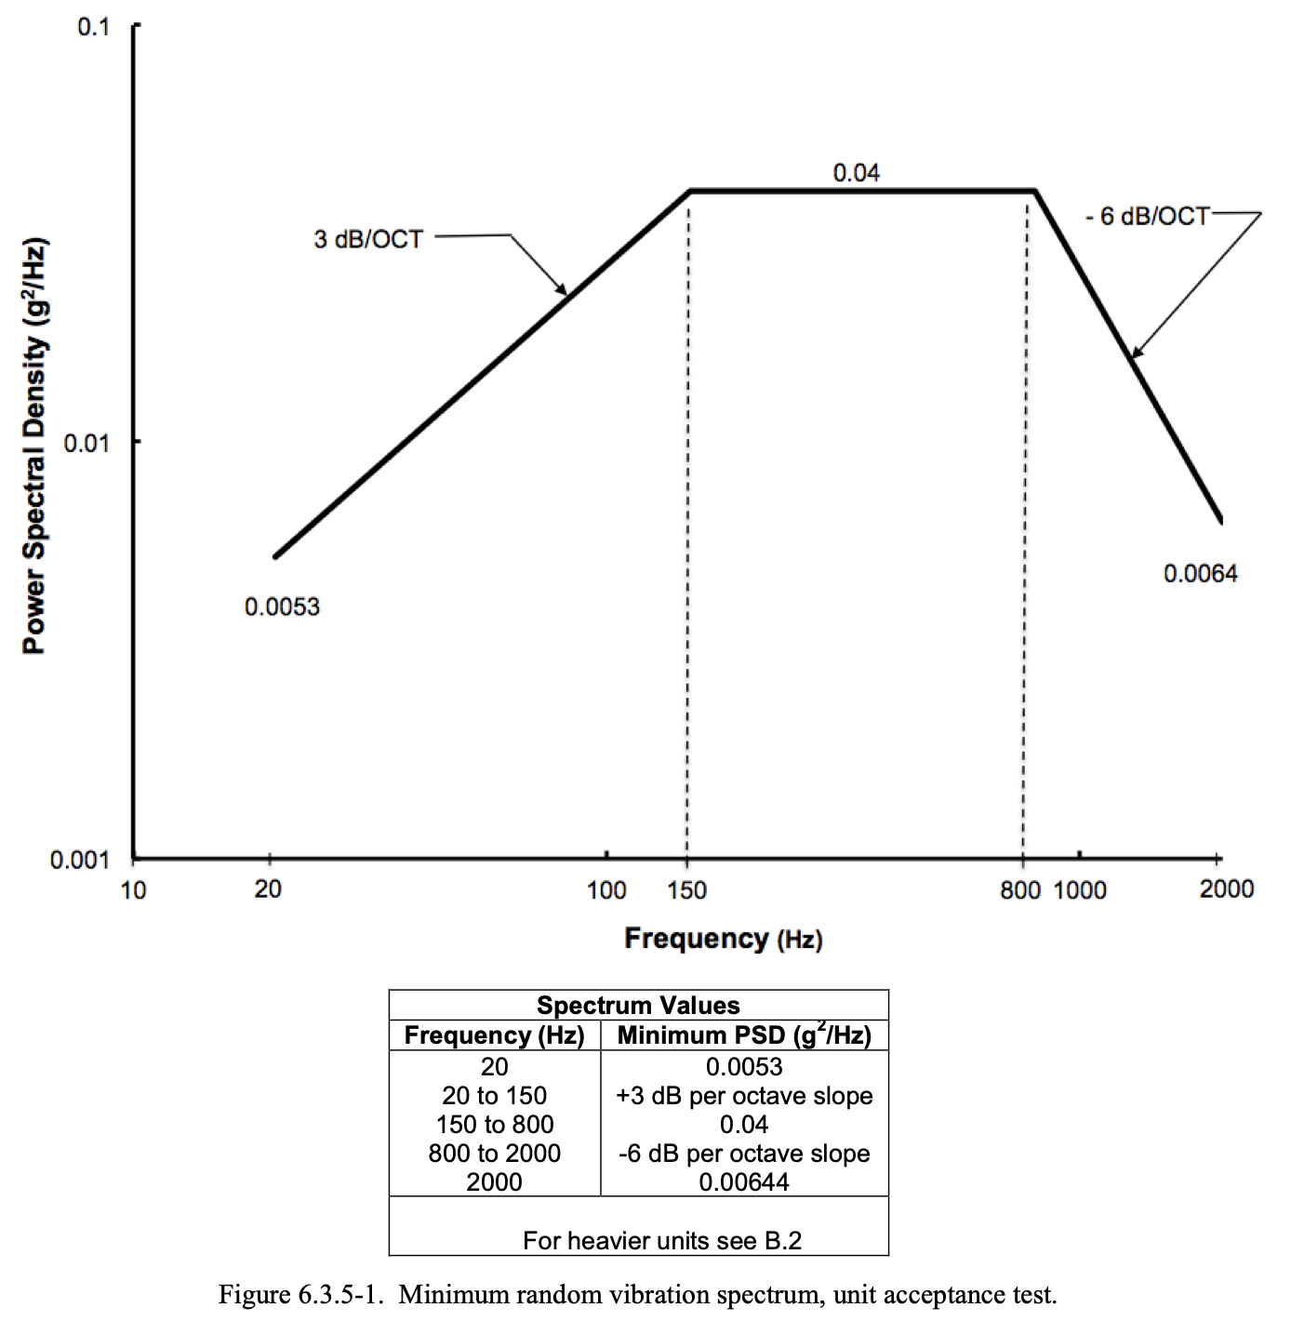
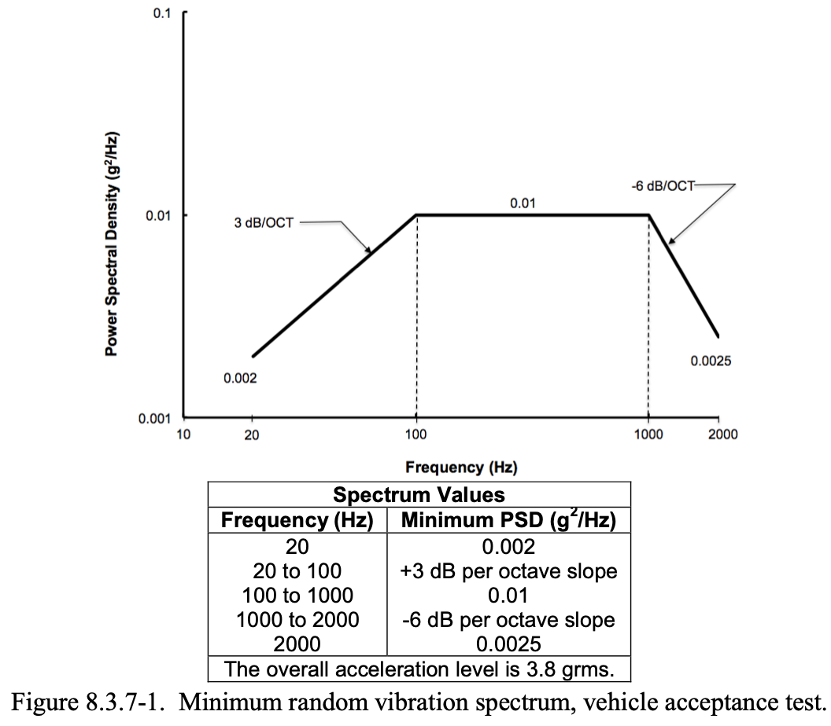
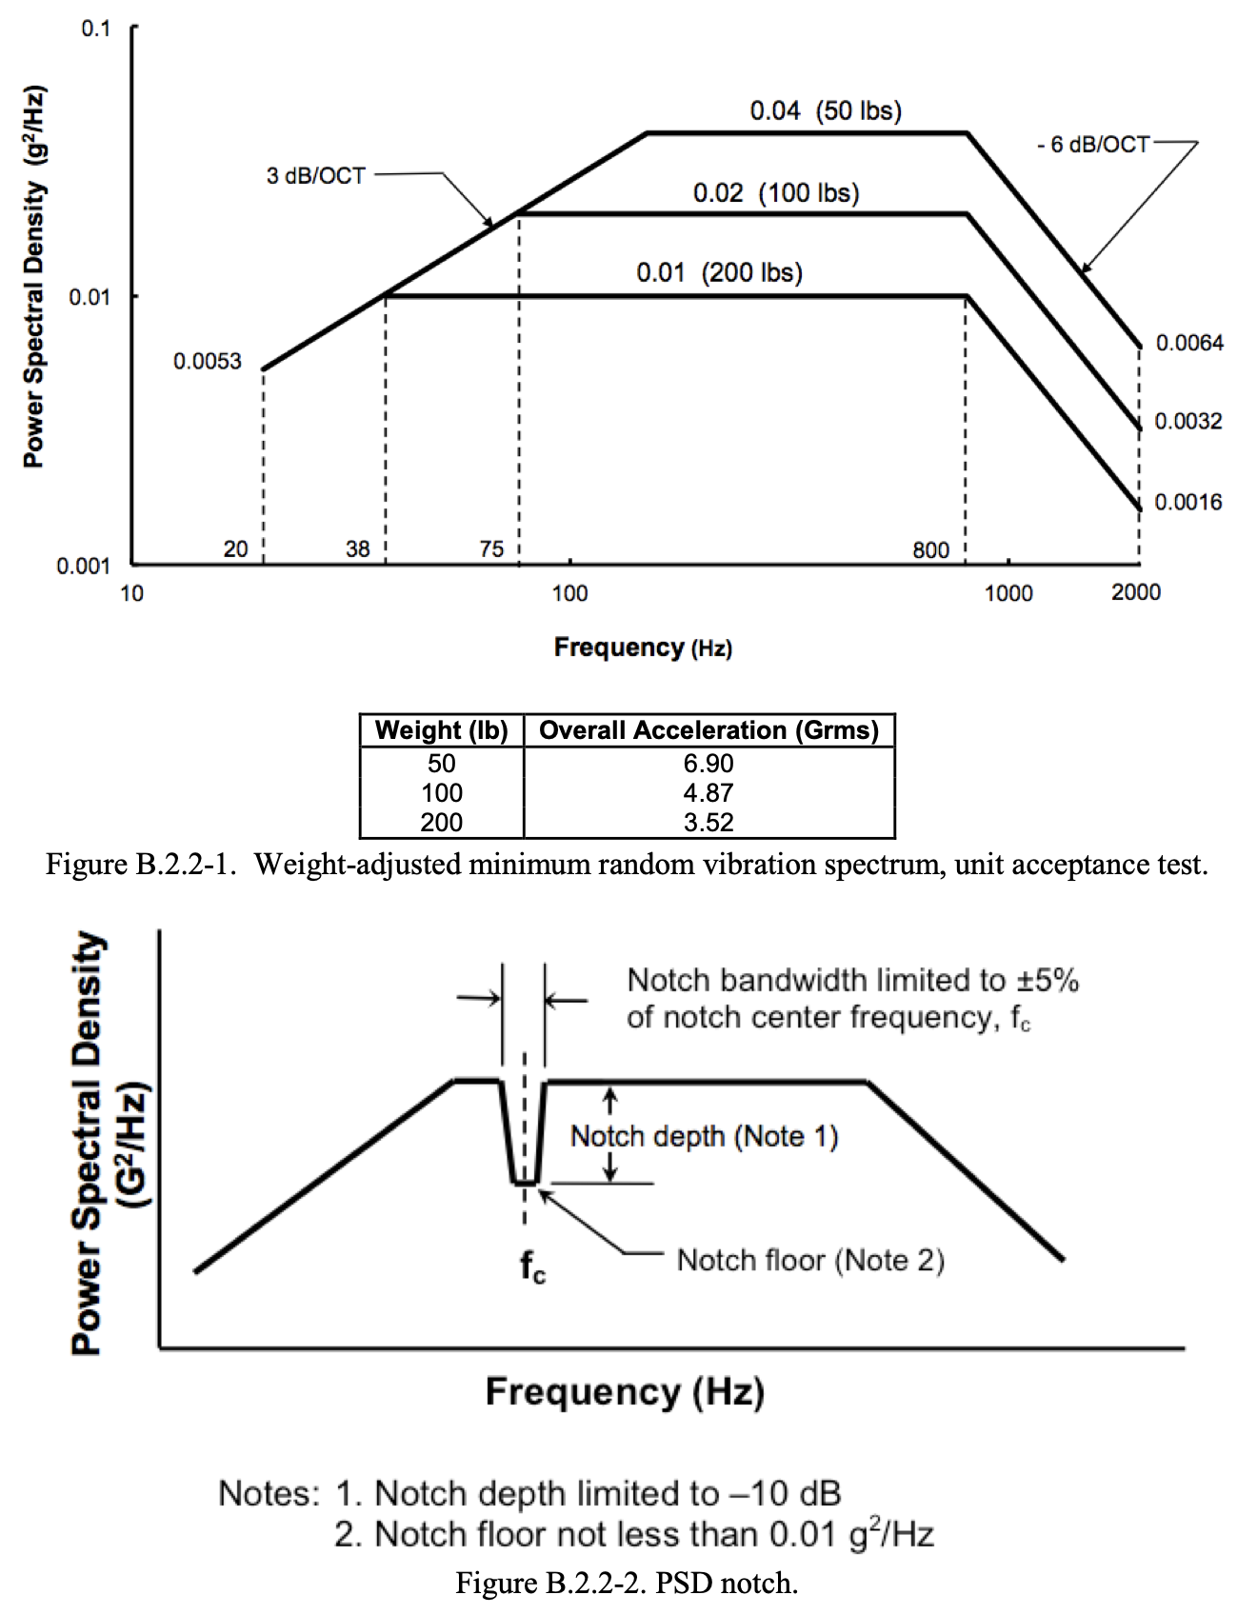
Customer Requirement | Engineering Requirement
BOM of final prototype under $5k preferred, under $10k
open source design (MIT License) | uses COTS components
widely interoperable with existing spacecraft systems
 | drawing from open-source reference designs
 | form factor of a CubeSat
Environmental contraints of a CubeSat, determine specific environmental conditions expected for space hardware | NEED TO DEFINE
 | open source design (MIT License)
functional prototype shown to meet drift requirements with statistically significant confidence | timekeeping drift maximum 30 nanoseconds per Earth day

size, weight, and power characteristics are compatible with 12U cubesat or smaller | Maximium 20cm X 20cm X 30cm
 | Maximum 50 kilograms
 | Max payload average power 40W
 | Max Peak power generation 100W
 | PCIe Interfacing
Operational characteristics are compliant with NASA LunaNet Standard - use Version 4 since published? | NEED TO DEFINE
 | enterpret time card reference designs
 | design (function, layout, component selection), built, and test prototype electronics
 | interpret time card firmware designs
 | design (function, layout, component selection), built, and test prototype software and firmware for FPGA and other compute components
open-sourced license for the delivered hardware and software IP
all components rated to survive deep space conditions (GEO and beyond) for at least 10 years (datasheet claims are okay, flight history is best, no need for lab results) - need to comply with vibe and thermal testing
 | SMC-S-016 Figure 6.3.5-1 Minimum random vibration spectrum, unit acceptance test
 | 0C - 70C
 | FPGA needed for time keeping
 | Memory for data being utilized by the FPGA
 | Design in repect to high signal noise from memory and FPGA
 | GNSS Receiver
 | GNSS Interface with FPGA
 | Atomic Clock with speeds faster than 30 nanoseconds
CR are customer wants, ER turns wants into needs | Atomic Clock interface with FPGA
ERs can be quantifiable and are traceable to CRs, can be measured, are testable | Error Handling for random inputs from the GNSS reciever(space noise and hacking attempts)
ERs should be ordinal, unambiguous, single meaning | Radiation Tolerance
Some metrics may not be quantifiable, but must have some measureable value: psychometrics, binary, a list, a range
consider contraints

 | CubeSat Document
 | 2.2 Mechanical Specifications
 | 2.3 Electrical Specifications
 | 2.4 Operational Specifications
 | 3.1 Random Vibe - performed at levels and duration defined by Launch Provider
 | 3.2 Thermal Vacuum Bakeout - performed to ensure proper outgassing of components, test specification defined by Launch Provider
 | 3.3 Shock Testing - not typically required for CubeSats
 | 3.4 Visual Inspection - performed per CIFP or defined by Launch Provider
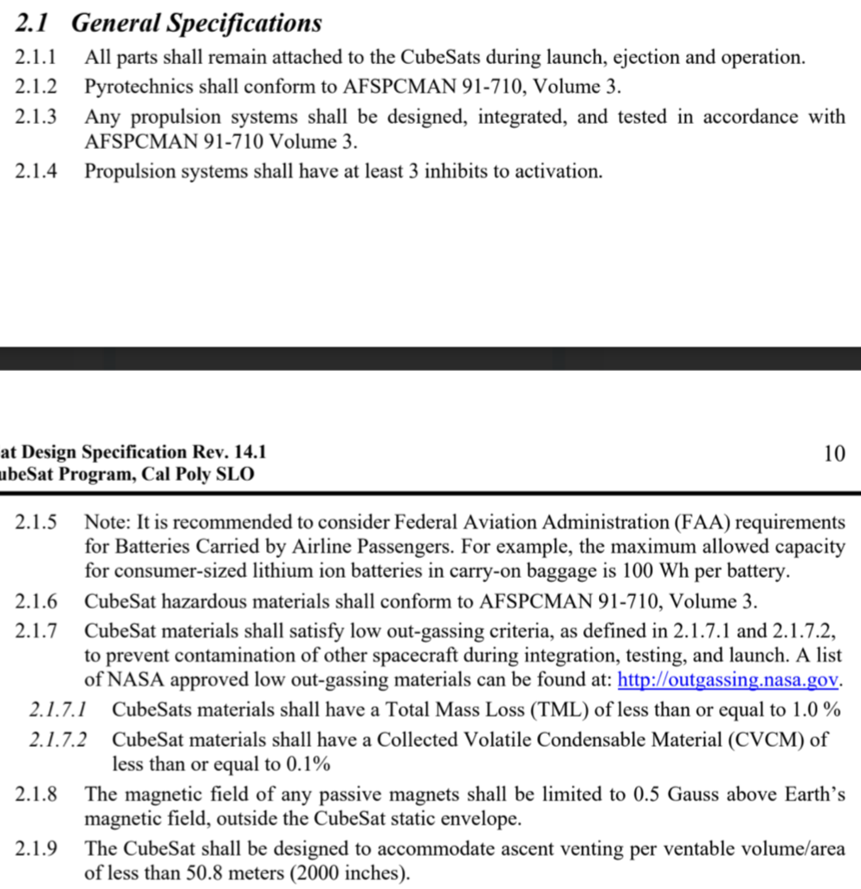

 | SMC-S-016 Figure 6.3.8-1-3 Notional temp profiles
 | SMC-S-016 Figure 6.3.8-4 Unit test temperature ranges and margins

 | From NASA doc GSFC-STD-7000B
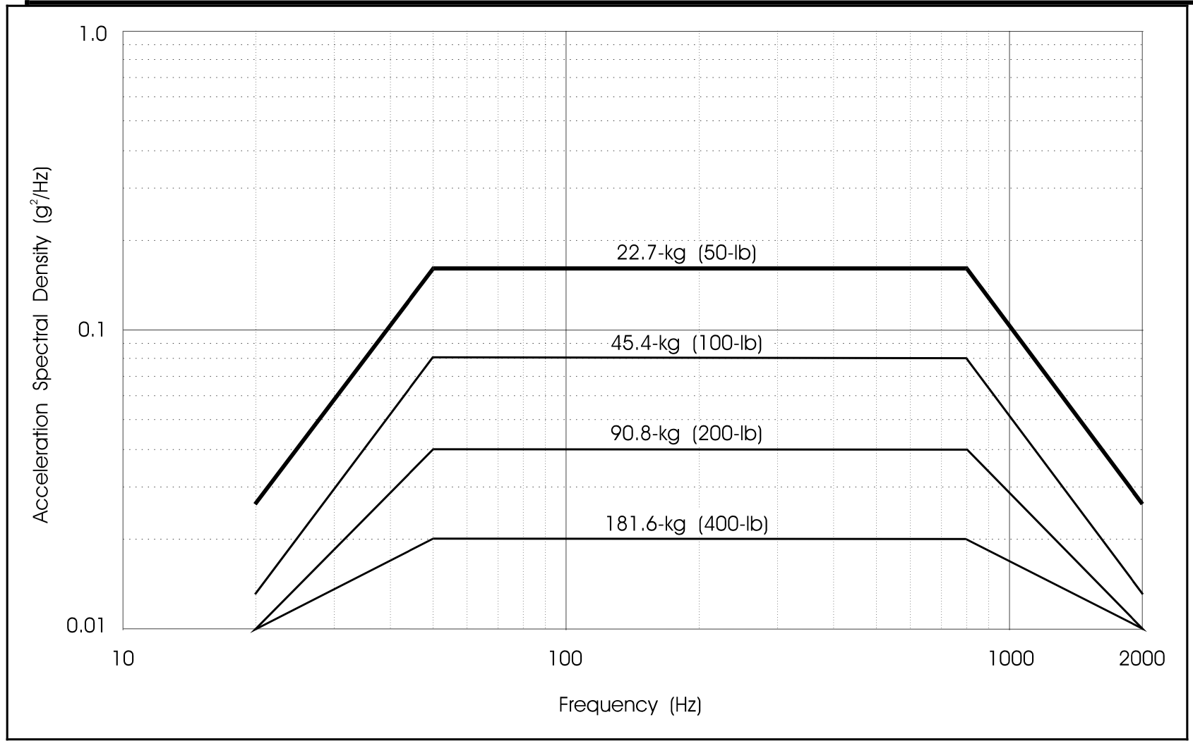

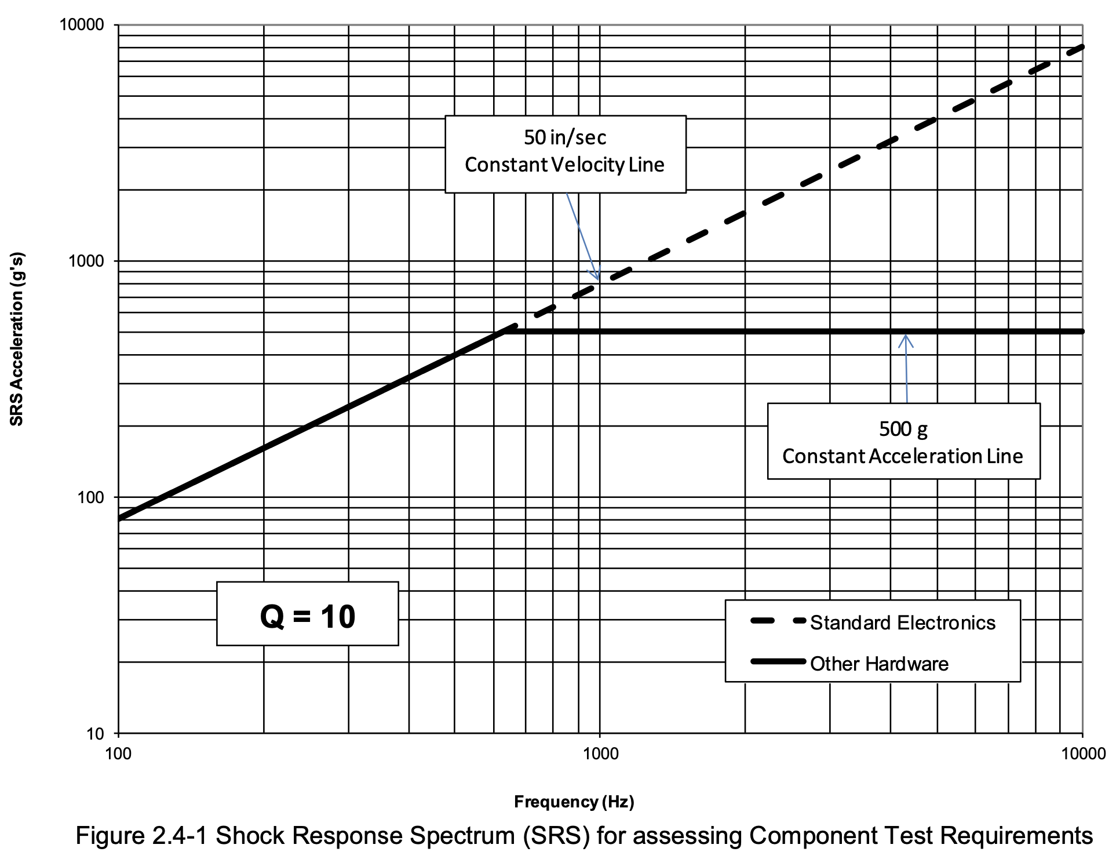

 | SMC-S-016

